TOTAL
Alkalmazott szűrők: Highlighted nem egyezik ezzel: (Üres) Arrival_date ekkori vagy későbbi a következőnél: 2026.04.13. 0:00:00 és dátuma korábbi, mint 2026.04.20. 0:00:00 Mandatory egyezik ezzel: Yes LSP egyezik ezzel: Maersk Canceled_shipment egyezik ezzel: N
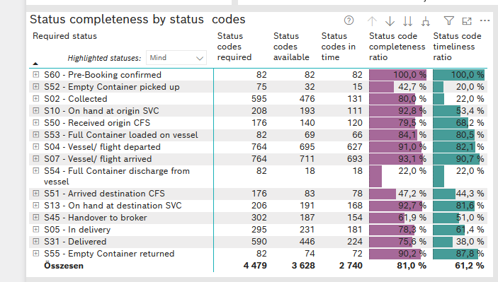
Required status | STATUS_TYPE | Service_Provider | Status codes required | Status codes available | Status codes in time | Status code completeness ratio | Status code timeliness ratio
S60 - Pre-Booking confirmed | Actual | 0000056066 - Maersk | 82 | 82 | 82 | 100.0 % | 100.0 %
S52 - Empty Container picked up | Actual | 0000056066 - Maersk | 75 | 32 | 15 | 42.7 % | 20.0 %
S02 - Collected | Actual | 0000056066 - Maersk | 335 | 260 | 131 | 77.6 % | 39.1 %
S02 - Collected | Estimated | 0000056066 - Maersk | 260 | 216 | 0 | 83.1 % | 0.0 %
S10 - On hand at origin SVC | Actual | 0000056066 - Maersk | 208 | 193 | 111 | 92.8 % | 53.4 %
S50 - Received origin CFS | Actual | 0000056066 - Maersk | 176 | 140 | 120 | 79.5 % | 68.2 %
S53 - Full Container loaded on vessel | Actual | 0000056066 - Maersk | 82 | 69 | 66 | 84.1 % | 80.5 %
S04 - Vessel/ flight departed | Actual | 0000056066 - Maersk | 382 | 351 | 332 | 91.9 % | 86.9 %
S04 - Vessel/ flight departed | Estimated | 0000056066 - Maersk | 382 | 344 | 295 | 90.1 % | 77.2 %
S07 - Vessel/ flight arrived | Actual | 0000056066 - Maersk | 382 | 353 | 345 | 92.4 % | 90.3 %
S07 - Vessel/ flight arrived | Estimated | 0000056066 - Maersk | 382 | 358 | 348 | 93.7 % | 91.1 %
S54 - Full Container discharge from vessel | Actual | 0000056066 - Maersk | 82 | 18 | 18 | 22.0 % | 22.0 %
S51 - Arrived destination CFS | Actual | 0000056066 - Maersk | 176 | 83 | 78 | 47.2 % | 44.3 %
S13 - On hand at destination SVC | Actual | 0000056066 - Maersk | 206 | 191 | 168 | 92.7 % | 81.6 %
S45 - Handover to broker | Actual | 0000056066 - Maersk | 151 | 106 | 102 | 70.2 % | 67.5 %
S45 - Handover to broker | Estimated | 0000056066 - Maersk | 151 | 81 | 52 | 53.6 % | 34.4 %
S05 - In delivery | Actual | 0000056066 - Maersk | 295 | 231 | 181 | 78.3 % | 61.4 %
S31 - Delivered | Actual | 0000056066 - Maersk | 295 | 216 | 81 | 73.2 % | 27.5 %
S31 - Delivered | Estimated | 0000056066 - Maersk | 295 | 230 | 143 | 78.0 % | 48.5 %
S55 - Empty Container returned | Actual | 0000056066 - Maersk | 82 | 74 | 72 | 90.2 % | 87.8 %

BCO
Alkalmazott szűrők: Highlighted nem egyezik ezzel: (Üres) Arrival_date ekkori vagy későbbi a következőnél: 2026.04.13. 0:00:00 és dátuma korábbi, mint 2026.04.20. 0:00:00 Mandatory egyezik ezzel: Yes LSP egyezik ezzel: Maersk Service_Load egyezik ezzel: BCO Canceled_shipment egyezik ezzel: N

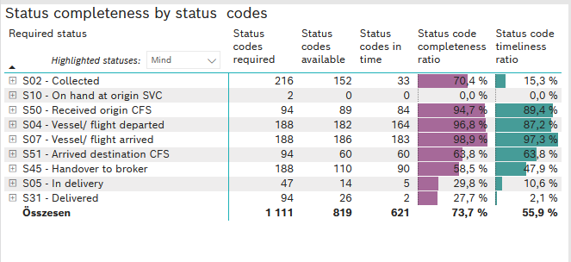
Required status | STATUS_TYPE | Service_Provider | Status codes required | Status codes available | Status codes in time | Status code completeness ratio | Status code timeliness ratio
S02 - Collected | Actual | 0000056066 - Maersk | 108 | 75 | 33 | 69.4 % | 30.6 %
S02 - Collected | Estimated | 0000056066 - Maersk | 108 | 77 | 0 | 71.3 % | 0.0 %
S10 - On hand at origin SVC | Actual | 0000056066 - Maersk | 2 | 0 | 0 | 0.0 % | 0.0 %
S50 - Received origin CFS | Actual | 0000056066 - Maersk | 94 | 89 | 84 | 94.7 % | 89.4 %
S04 - Vessel/ flight departed | Actual | 0000056066 - Maersk | 94 | 89 | 85 | 94.7 % | 90.4 %
S04 - Vessel/ flight departed | Estimated | 0000056066 - Maersk | 94 | 93 | 79 | 98.9 % | 84.0 %
S07 - Vessel/ flight arrived | Actual | 0000056066 - Maersk | 94 | 92 | 92 | 97.9 % | 97.9 %
S07 - Vessel/ flight arrived | Estimated | 0000056066 - Maersk | 94 | 94 | 91 | 100.0 % | 96.8 %
S51 - Arrived destination CFS | Actual | 0000056066 - Maersk | 94 | 60 | 60 | 63.8 % | 63.8 %
S45 - Handover to broker | Actual | 0000056066 - Maersk | 94 | 66 | 66 | 70.2 % | 70.2 %
S45 - Handover to broker | Estimated | 0000056066 - Maersk | 94 | 44 | 24 | 46.8 % | 25.5 %
S05 - In delivery | Actual | 0000056066 - Maersk | 47 | 14 | 5 | 29.8 % | 10.6 %
S31 - Delivered | Actual | 0000056066 - Maersk | 47 | 12 | 2 | 25.5 % | 4.3 %
S31 - Delivered | Estimated | 0000056066 - Maersk | 47 | 14 | 0 | 29.8 % | 0.0 %

FCL
Alkalmazott szűrők: Highlighted nem egyezik ezzel: (Üres) Arrival_date ekkori vagy későbbi a következőnél: 2026.04.13. 0:00:00 és dátuma korábbi, mint 2026.04.20. 0:00:00 Mandatory egyezik ezzel: Yes LSP egyezik ezzel: Maersk Service_Load egyezik ezzel: FCL Canceled_shipment egyezik ezzel: N
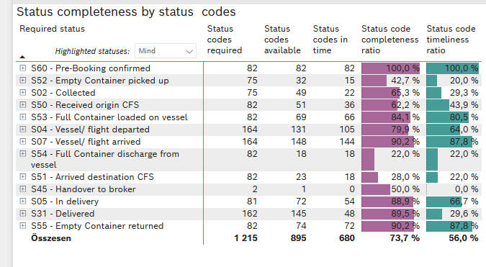
Required status | STATUS_TYPE | Service_Provider | Status codes required | Status codes available | Status codes in time | Status code completeness ratio | Status code timeliness ratio
S60 - Pre-Booking confirmed | Actual | 0000056066 - Maersk | 82 | 82 | 82 | 100.0 % | 100.0 %
S52 - Empty Container picked up | Actual | 0000056066 - Maersk | 75 | 32 | 15 | 42.7 % | 20.0 %
S02 - Collected | Actual | 0000056066 - Maersk | 75 | 49 | 22 | 65.3 % | 29.3 %
S50 - Received origin CFS | Actual | 0000056066 - Maersk | 82 | 51 | 36 | 62.2 % | 43.9 %
S53 - Full Container loaded on vessel | Actual | 0000056066 - Maersk | 82 | 69 | 66 | 84.1 % | 80.5 %
S04 - Vessel/ flight departed | Actual | 0000056066 - Maersk | 82 | 72 | 66 | 87.8 % | 80.5 %
S04 - Vessel/ flight departed | Estimated | 0000056066 - Maersk | 82 | 59 | 39 | 72.0 % | 47.6 %
S07 - Vessel/ flight arrived | Actual | 0000056066 - Maersk | 82 | 74 | 72 | 90.2 % | 87.8 %
S07 - Vessel/ flight arrived | Estimated | 0000056066 - Maersk | 82 | 74 | 72 | 90.2 % | 87.8 %
S54 - Full Container discharge from vessel | Actual | 0000056066 - Maersk | 82 | 18 | 18 | 22.0 % | 22.0 %
S51 - Arrived destination CFS | Actual | 0000056066 - Maersk | 82 | 23 | 18 | 28.0 % | 22.0 %
S45 - Handover to broker | Actual | 0000056066 - Maersk | 1 | 0 | 0 | 0.0 % | 0.0 %
S45 - Handover to broker | Estimated | 0000056066 - Maersk | 1 | 1 | 0 | 100.0 % | 0.0 %
S05 - In delivery | Actual | 0000056066 - Maersk | 81 | 72 | 54 | 88.9 % | 66.7 %
S31 - Delivered | Actual | 0000056066 - Maersk | 81 | 73 | 40 | 90.1 % | 49.4 %
S31 - Delivered | Estimated | 0000056066 - Maersk | 81 | 72 | 8 | 88.9 % | 9.9 %
S55 - Empty Container returned | Actual | 0000056066 - Maersk | 82 | 74 | 72 | 90.2 % | 87.8 %

LCL
Alkalmazott szűrők: Highlighted nem egyezik ezzel: (Üres) Arrival_date ekkori vagy későbbi a következőnél: 2026.04.13. 0:00:00 és dátuma korábbi, mint 2026.04.20. 0:00:00 Mandatory egyezik ezzel: Yes LSP egyezik ezzel: Maersk Service_Load egyezik ezzel: LCL Canceled_shipment egyezik ezzel: N
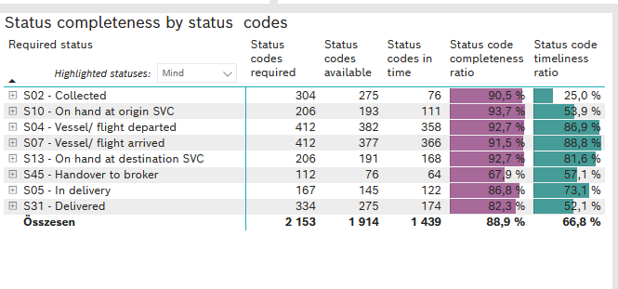
Required status | STATUS_TYPE | Service_Provider | Status codes required | Status codes available | Status codes in time | Status code completeness ratio | Status code timeliness ratio
S02 - Collected | Actual | 0000056066 - Maersk | 152 | 136 | 76 | 89.5 % | 50.0 %
S02 - Collected | Estimated | 0000056066 - Maersk | 152 | 139 | 0 | 91.4 % | 0.0 %
S10 - On hand at origin SVC | Actual | 0000056066 - Maersk | 206 | 193 | 111 | 93.7 % | 53.9 %
S04 - Vessel/ flight departed | Actual | 0000056066 - Maersk | 206 | 190 | 181 | 92.2 % | 87.9 %
S04 - Vessel/ flight departed | Estimated | 0000056066 - Maersk | 206 | 192 | 177 | 93.2 % | 85.9 %
S07 - Vessel/ flight arrived | Actual | 0000056066 - Maersk | 206 | 187 | 181 | 90.8 % | 87.9 %
S07 - Vessel/ flight arrived | Estimated | 0000056066 - Maersk | 206 | 190 | 185 | 92.2 % | 89.8 %
S13 - On hand at destination SVC | Actual | 0000056066 - Maersk | 206 | 191 | 168 | 92.7 % | 81.6 %
S45 - Handover to broker | Actual | 0000056066 - Maersk | 56 | 40 | 36 | 71.4 % | 64.3 %
S45 - Handover to broker | Estimated | 0000056066 - Maersk | 56 | 36 | 28 | 64.3 % | 50.0 %
S05 - In delivery | Actual | 0000056066 - Maersk | 167 | 145 | 122 | 86.8 % | 73.1 %
S31 - Delivered | Actual | 0000056066 - Maersk | 167 | 131 | 39 | 78.4 % | 23.4 %
S31 - Delivered | Estimated | 0000056066 - Maersk | 167 | 144 | 135 | 86.2 % | 80.8 %

